Worksheet 1
Press: |  | Number of Items in the order | 1 of 1 |  | Display image:
Order Date: | 2026-08-04 14:18:12 |  |  |  | 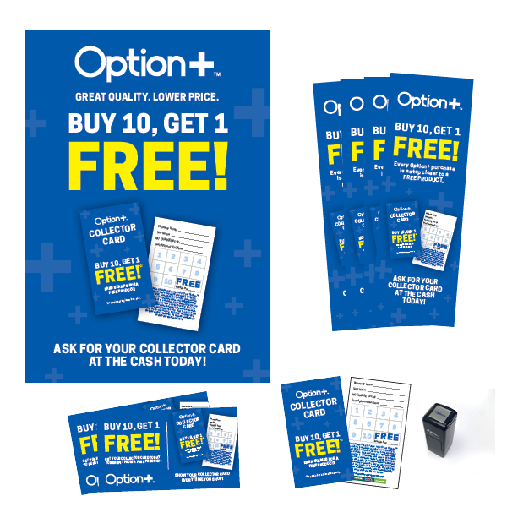
Order Number: | MCK-31698
Company: | Black's Pharmacy 1972 Ltd.

Item Code | Option_CP_POP_Kit25_EN_GIR
Description | Option+<sup>TM</sup> Collector Program POP Kit (ENGLISH) |  | Qty | 1

# of Pages: |  | For SM/QM
Colours: |  | Coating:
Flat Size: |  | Layout Orientation:
Finish Size: |  | # of Up:
Stock: |  | Parent Sheet Size:
Finishing: |  | Out:
 |  | Press Sheet Size:
 |  | Finished:
 |  | Overs:
Accessory: |  | Gross:

Special Instructions

