Worksheet 1
Press: | iGen5 | Number of Items in the order | 1 of 3 |  | Display image:
Order Date: | 2026-08-03 02:58:20 |  |  |  | 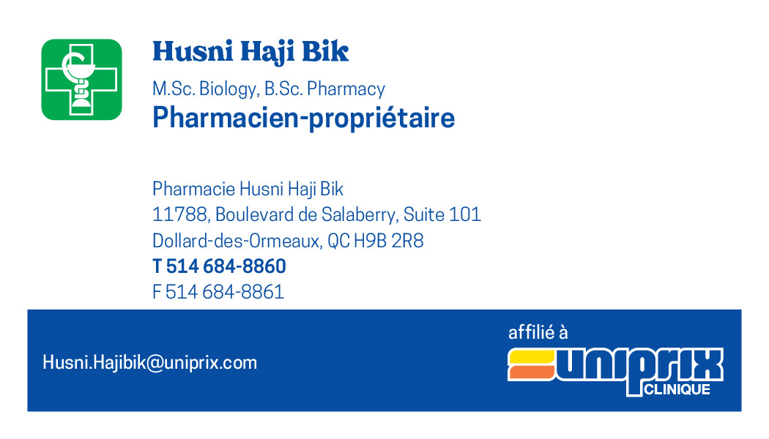
Order Number: | MCK-31697
Company: | Pharmacie Husni Haji Bik Inc.

Item Code | 5030104
Description | Uniprix Clinique - Cartes d'affaires pharmaciens (Husni Haji Bik) |  | Qty | 1500

# of Pages: | 1 | For SM/QM
Colours: | 4/0 | Coating:
Flat Size: | 3.5" x 2" | Layout Orientation:
Finish Size: | 3.5" x 2" | # of Up: | 20
Stock: | 130lb Cougar Cover | Parent Sheet Size:
Finishing: | Trim | Out:
 |  | Press Sheet Size: | 18" x 12"
 |  | Finished:
 |  | Overs:
Accessory: |  | Gross:

Special Instructions

Press: | iGen5 | Number of Items in the order | 2 of 3 |  | Display image:
Order Date: | 2026-08-03 02:58:20 |  |  |  | 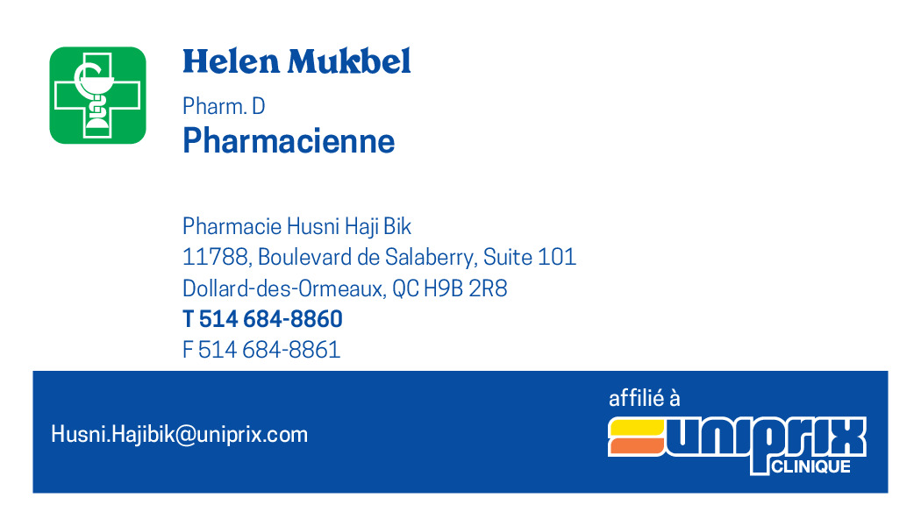
Order Number: | MCK-31697
Company: | Pharmacie Husni Haji Bik Inc.

Item Code | 5030105
Description | Uniprix Clinique - Cartes d'affaires pharmaciens (Helen Mukbel) |  | Qty | 500

# of Pages: | 1 | For SM/QM
Colours: | 4/0 | Coating:
Flat Size: | 3.5" x 2" | Layout Orientation:
Finish Size: | 3.5" x 2" | # of Up: | 20
Stock: | 130lb Cougar Cover | Parent Sheet Size:
Finishing: | Trim | Out:
 |  | Press Sheet Size: | 18" x 12"
 |  | Finished:
 |  | Overs:
Accessory: |  | Gross:

Special Instructions

Worksheet 2
Press: | iGen5 | Number of Items in the order | 3 of 3 |  | Display image:
Order Date: | 2026-08-03 02:58:20 |  |  |  | 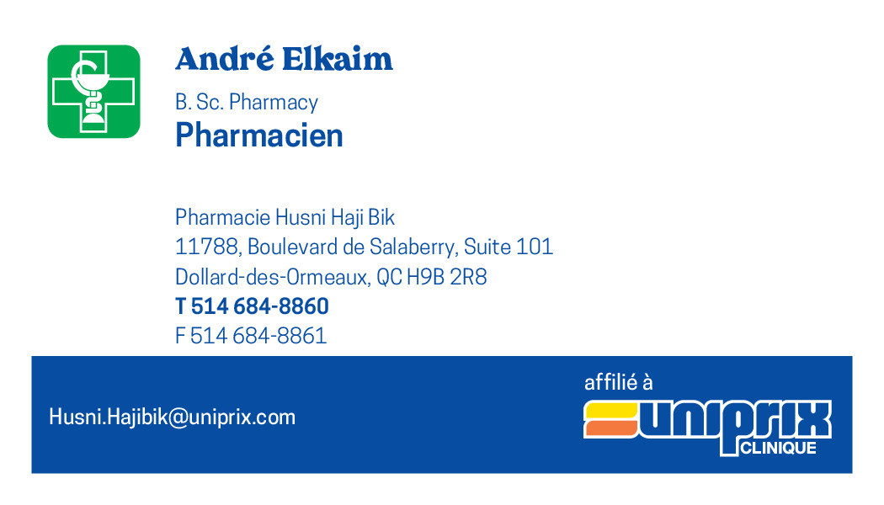
Order Number: | MCK-31697
Company: | Pharmacie Husni Haji Bik Inc.

Item Code | 5030107
Description | Uniprix Clinique - Cartes d'affaires pharmaciens (André Elkaim) |  | Qty | 500

# of Pages: | 1 | For SM/QM
Colours: | 4/0 | Coating:
Flat Size: | 3.5" x 2" | Layout Orientation:
Finish Size: | 3.5" x 2" | # of Up: | 20
Stock: | 130lb Cougar Cover | Parent Sheet Size:
Finishing: | Trim | Out:
 |  | Press Sheet Size: | 18" x 12"
 |  | Finished:
 |  | Overs:
Accessory: |  | Gross:

Special Instructions

