Worksheet 1
Press: | Canon | Number of Items in the order | 1 of 4 |  | Display image:
Order Date: | 2026-07-29 16:51:59 |  |  |  | 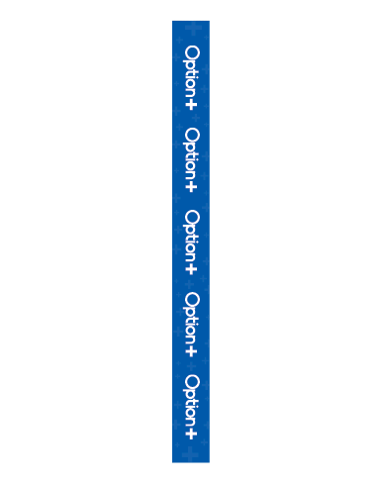
Order Number: | MCK-31676
Company: | Rx Drug Mart - Moosomin

Item Code | Option_WingRack5x58_EN1
Description | Option+ – Wing Rack Panel - 5" x 58" (English - Version 1) |  | Qty | 4

# of Pages: | 1 | For SM/QM
Colours: | 4/0 | Coating:
Flat Size: | 5" x 58" | Layout Orientation:
Finish Size: | 5" x 58" | # of Up:
Stock: | 24pt Gloss C2S Cover | Parent Sheet Size:
Finishing: | Trim, drill 4 holes at the corner with 4 zip ties | Out:
 |  | Press Sheet Size:
 |  | Finished:
 |  | Overs:
Accessory: |  | Gross:

Special Instructions

Press: | Canon | Number of Items in the order | 2 of 4 |  | Display image:
Order Date: | 2026-07-29 16:51:59 |  |  |  | 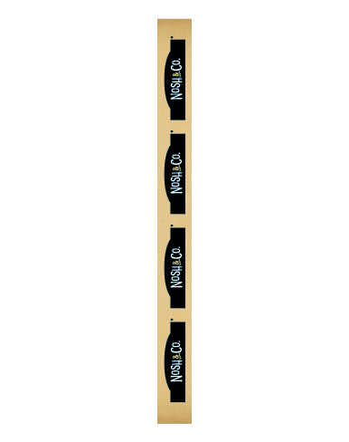
Order Number: | MCK-31676
Company: | Rx Drug Mart - Moosomin

Item Code | Nosh_Co_WingRack5x58_V1
Description | Nosh & Co. – Wing Rack Panel /panneau métallique - 5" x 58" (Version 1) |  | Qty | 1

# of Pages: | 1 | For SM/QM
Colours: | 4/0 | Coating:
Flat Size: | 5" x 58" | Layout Orientation:
Finish Size: | 5" x 58" | # of Up:
Stock: | 24pt Gloss C2S Cover | Parent Sheet Size:
Finishing: | Trim, drill 4 holes at the corner with 4 zip ties | Out:
 |  | Press Sheet Size:
 |  | Finished:
 |  | Overs:
Accessory: |  | Gross:

Special Instructions

Worksheet 2
Press: | Canon | Number of Items in the order | 3 of 4 |  | Display image:
Order Date: | 2026-07-29 16:51:59 |  |  |  | 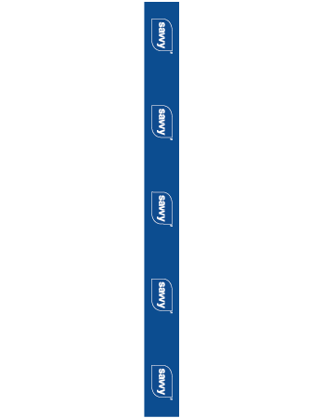
Order Number: | MCK-31676
Company: | Rx Drug Mart - Moosomin

Item Code | Savvy_WingRack5x58_EN
Description | savvy – Wing Rack Panel - 5" x 58" (English - Version 1) |  | Qty | 3

# of Pages: | 1 | For SM/QM
Colours: | 4/0 | Coating:
Flat Size: | 5" x 58" | Layout Orientation:
Finish Size: | 5" x 58" | # of Up:
Stock: | 24pt Gloss C2S Cover | Parent Sheet Size:
Finishing: | Trim, drill 4 holes at the corner with 4 zip ties | Out:
 |  | Press Sheet Size:
 |  | Finished:
 |  | Overs:
Accessory: |  | Gross:

Special Instructions

Press: | Canon | Number of Items in the order | 4 of 4 |  | Display image:
Order Date: | 2026-07-29 16:51:59 |  |  |  | 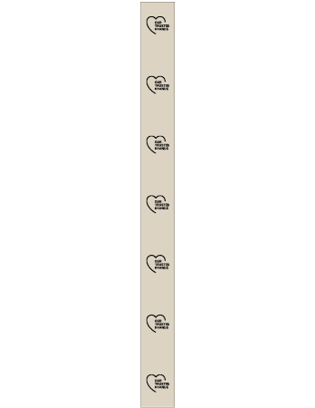
Order Number: | MCK-31676
Company: | Rx Drug Mart - Moosomin

Item Code | TBrands_WingRack5x58_EN
Description | Our Trusted Brands – Wing Rack Panel - 5" x 58" (English) |  | Qty | 3

# of Pages: | 1 | For SM/QM
Colours: | 4/0 | Coating:
Flat Size: | 5" x 58" | Layout Orientation:
Finish Size: | 5" x 58" | # of Up:
Stock: | 24pt Gloss C2S Cover | Parent Sheet Size:
Finishing: | Trim, drill 4 holes at the corner with 4 zip ties | Out:
 |  | Press Sheet Size:
 |  | Finished:
 |  | Overs:
Accessory: |  | Gross:

Special Instructions

