Worksheet 1
Press: | iGen5 | Number of Items in the order | 1 of 2 |  | Display image:
Order Date: | 2026-07-29 14:47:03 |  |  |  | 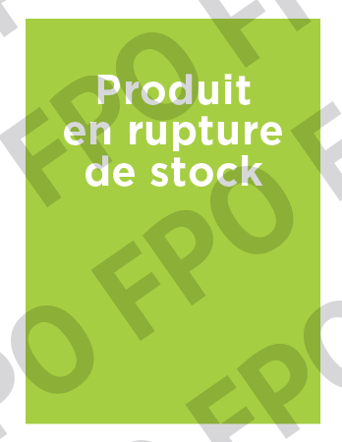
Order Number: | MCK-31673
Company: | Pharmacie Pier-Luc Pharand et Justin Beauregard Inc.

Item Code | PXM_carton_rupture
Description | Proxim - Rupture de stock |  | Qty | 50

# of Pages: | 1 | For SM/QM
Colours: | 4/0 | Coating:
Flat Size: | 2" x 2.75" | Layout Orientation:
Finish Size: | 2" x 2.75" | # of Up:
Stock: | 100lb Gloss C2S Cover | Parent Sheet Size:
Finishing: | Trim to size | Out:
 |  | Press Sheet Size:
 |  | Finished:
 |  | Overs:
Accessory: |  | Gross:

Special Instructions

Press: | Pick & Pack | Number of Items in the order | 2 of 2 |  | Display image:
Order Date: | 2026-07-29 14:47:03 |  |  |  | 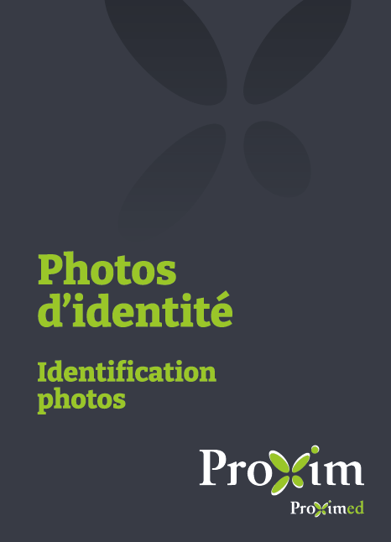
Order Number: | MCK-31673
Company: | Pharmacie Pier-Luc Pharand et Justin Beauregard Inc.

Item Code | PXM_Env_photo-passeport_BIL(COB)
Description | Proxim - Pochette pour photos passeport et autres photos d'identité – version bilingue |  | Qty | 50

# of Pages: |  | For SM/QM
Colours: |  | Coating:
Flat Size: |  | Layout Orientation:
Finish Size: |  | # of Up:
Stock: |  | Parent Sheet Size:
Finishing: |  | Out:
 |  | Press Sheet Size:
 |  | Finished:
 |  | Overs:
Accessory: |  | Gross:

Special Instructions | The price will be $18 / bundle of 50 pcs.

