Worksheet 1
Press: | QM | Number of Items in the order | 1 of 2 |  | Display image:
Order Date: | 2026-07-29 13:47:30 |  |  |  | 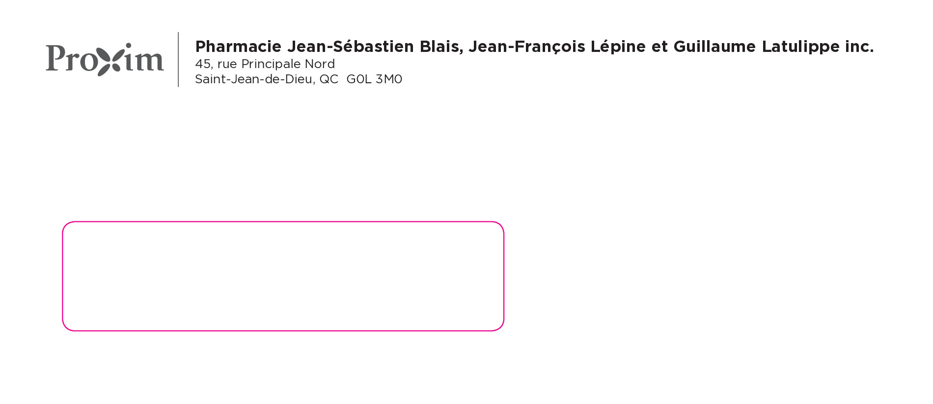
Order Number: | MCK-31672
Company: | Pharmacie Jean-Sébastien Blais, Jean-François Lépine et Guillaume Latulippe inc.

Item Code | 5030075
Description | Proxim - Enveloppe #10 avec fenêtre |  | Qty | 1000

# of Pages: | 1 | For SM/QM
Colours: | PMS Cool Gray 11C | Coating:
Flat Size: | 4.125" x 9.5" | Layout Orientation:
Finish Size: | 4.125" x 9.5" | # of Up: | 1
Stock: | 24lb White Wove #10 Window Envelope | Parent Sheet Size:
Finishing: | Pack | Out:
 |  | Press Sheet Size:
 |  | Finished:
 |  | Overs:
Accessory: |  | Gross:

Special Instructions

Press: | Canon | Number of Items in the order | 2 of 2 |  | Display image:
Order Date: | 2026-07-29 13:47:30
Order Number: | MCK-31672
Company: | Pharmacie Jean-Sébastien Blais, Jean-François Lépine et Guillaume Latulippe inc.

Item Code | PXM_MobileApp_Reflex_Dessous_20x4_fr
Description | Proxim – Autocollant comptoir dessous reflex 20’’ x 4’’ – version française |  | Qty | 2

# of Pages: | 1 | For SM/QM
Colours: | 4+0 | Coating:
Flat Size: | 20" x 4" | Layout Orientation:
Finish Size: | 20" x 4" | # of Up:
Stock: | 6mil Dry Wall Adhesive | Parent Sheet Size:
Finishing: | Gloss Lamination 1 Side, Router cut (Round corners) | Out:
 |  | Press Sheet Size:
 |  | Finished:
 |  | Overs:
Accessory: |  | Gross:

Special Instructions

