Worksheet 1
Press: | Epson | Number of Items in the order | 1 of 5 |  | Display image:
Order Date: | 2026-07-27 15:57:29 |  |  |  | 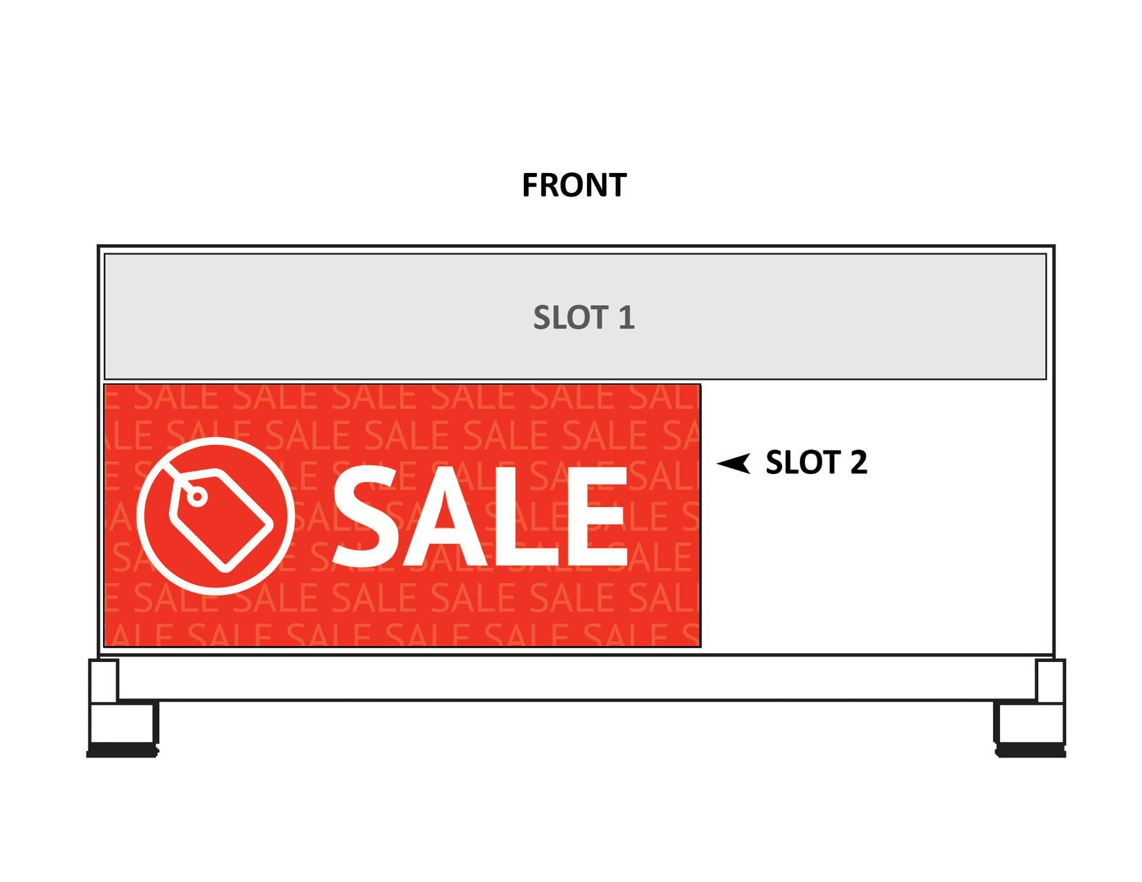
Order Number: | MCK-31669
Company: | Wellington Square Drug Mart

Item Code | PB-S2_Sale
Description | Price Board Insert - Slot 2 - Sale |  | Qty | 2

# of Pages: | 1 | For SM/QM
Colours: | 4/0 | Coating:
Flat Size: | 19 x 8.275 | Layout Orientation:
Finish Size: | 19 x 8.275 | # of Up:
Stock: | 10mil Endura Paper Poster | Parent Sheet Size:
Finishing: | Trim | Out:
 |  | Press Sheet Size:
 |  | Finished:
 |  | Overs:
Accessory: |  | Gross:

Special Instructions

Press: | Epson | Number of Items in the order | 2 of 5 |  | Display image:
Order Date: | 2026-07-27 15:57:29 |  |  |  | 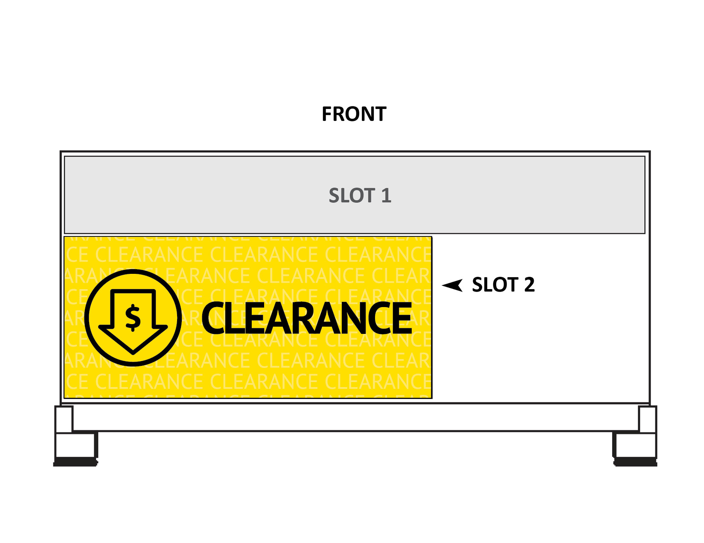
Order Number: | MCK-31669
Company: | Wellington Square Drug Mart

Item Code | PB-S2_Clearance
Description | Price Board Insert - Slot 2 - Clearance |  | Qty | 2

# of Pages: | 1 | For SM/QM
Colours: | 4/0 | Coating:
Flat Size: | 19 x 8.275 | Layout Orientation:
Finish Size: | 19 x 8.275 | # of Up:
Stock: | 10mil Endura Paper Poster | Parent Sheet Size:
Finishing: | Trim | Out:
 |  | Press Sheet Size:
 |  | Finished:
 |  | Overs:
Accessory: |  | Gross:

Special Instructions

Worksheet 2
Press: | Canon | Number of Items in the order | 3 of 5 |  | Display image:
Order Date: | 2026-07-27 15:57:29 |  |  |  | 
Order Number: | MCK-31669
Company: | Wellington Square Drug Mart

Item Code | Option_MobilityCentre_HeaderCard_EN
Description | Option+ Mobility Center Header Card |  | Qty | 1

# of Pages: | 1 | For SM/QM
Colours: | 4/0 | Coating:
Flat Size: | 13” x 11.5” | Layout Orientation:
Finish Size: | 13” x 11.5” | # of Up:
Stock: | 20pt Styrene | Parent Sheet Size:
Finishing: | Trim to size | Out:
 |  | Press Sheet Size:
 |  | Finished:
 |  | Overs:
Accessory: |  | Gross:

Special Instructions

Press: | iGen5 | Number of Items in the order | 4 of 5 |  | Display image:
Order Date: | 2026-07-27 15:57:29 |  |  |  | 
Order Number: | MCK-31669
Company: | Wellington Square Drug Mart

Item Code | Nosh_Co_AB
Description | Nosh & Co. – Aisle Blades / Ailette |  | Qty | 1

# of Pages: | 2 | For SM/QM
Colours: | 4/4 | Coating:
Flat Size: | 6" x 18" | Layout Orientation:
Finish Size: | 6" x 18" | # of Up: | 2
Stock: | 18pt C2S Cover | Parent Sheet Size:
Finishing: | (Same artwork) No drill hole and supply 2 adjustable sign holders (KC55) | Out:
 |  | Press Sheet Size:
 |  | Finished:
 |  | Overs:
Accessory: |  | Gross:

Special Instructions

Worksheet 3

Press: | HP | Number of Items in the order | 5 of 5 |  | Display image:
Order Date: | 2026-07-27 15:57:29
Order Number: | MCK-31669
Company: | Wellington Square Drug Mart

Item Code | WRP4_clearance
Description | Wing Rack Panel P.O.P. - Clearance |  | Qty | 1

# of Pages: | 1 | For SM/QM
Colours: | 4/0 | Coating:
Flat Size: | 4" x 47" | Layout Orientation:
Finish Size: | 4" x 47" | # of Up:
Stock: | 24pt Gloss C2S Cover | Parent Sheet Size:
Finishing: | Trim, drill 4 holes at the corner with 4 zip ties | Out:
 |  | Press Sheet Size:
 |  | Finished:
 |  | Overs:
Accessory: |  | Gross:

Special Instructions

