Worksheet 1
Press: | QM | Number of Items in the order | 1 of 1 |  | Display image:
Order Date: | 2026-07-27 14:30:07 |  |  |  | 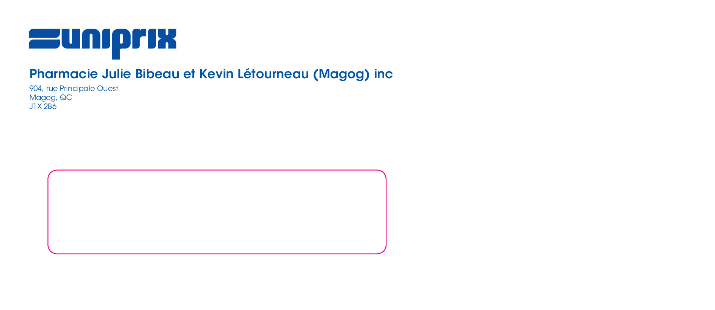
Order Number: | MCK-31668
Company: | Pharmacie Julie Bibeau et Kevin Létourneau (Magog) inc

Item Code | 5030062
Description | Uniprix - Enveloppe #10 avec fenêtre |  | Qty | 500

# of Pages: | 1 | For SM/QM
Colours: | PMS Reflex Blue C (1+0) | Coating:
Flat Size: | 4.125" x 9.5" | Layout Orientation:
Finish Size: | 4.125" x 9.5" | # of Up: | 1
Stock: | 24lb White Wove #10 Window Envelope | Parent Sheet Size:
Finishing: | Pack | Out:
 |  | Press Sheet Size:
 |  | Finished: | 500 / 1000 / 1500
 |  | Overs: | 0
Accessory: |  | Gross: | 500 / 1000 / 1500

Special Instructions

