Worksheet 1
Press: | Pick & Pack | Number of Items in the order | 1 of 2 |  | Display image:
Order Date: | 2026-07-24 15:15:34 |  |  |  | 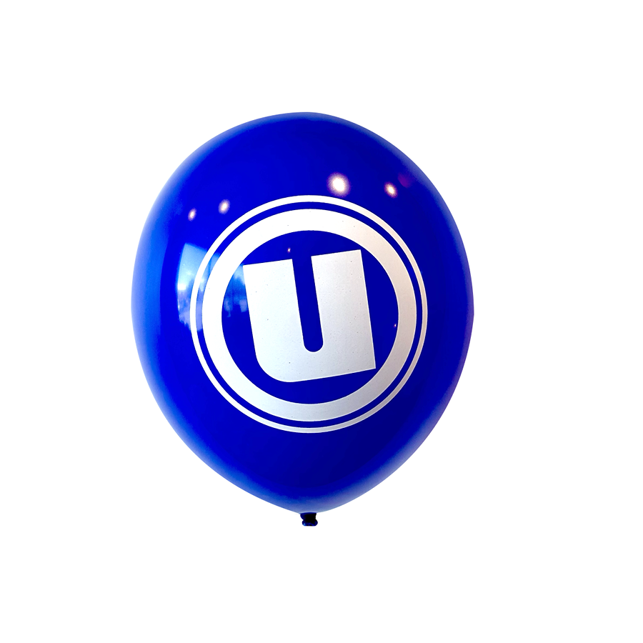
Order Number: | MCK-31665
Company: | Pharmacie Pascal Morin, Samir Nahas, Lucas Desormiers et Zyad Khoder Inc.

Item Code | UX_Balloon_blue(COB)
Description | Uniprix – Ballons Uniprix – paquet de 25 ballons - Bleu |  | Qty | 2

# of Pages: |  | For SM/QM
Colours: |  | Coating:
Flat Size: |  | Layout Orientation:
Finish Size: |  | # of Up:
Stock: |  | Parent Sheet Size:
Finishing: |  | Out:
 |  | Press Sheet Size:
 |  | Finished:
 |  | Overs:
Accessory: |  | Gross:

Special Instructions

Press: | Pick & Pack | Number of Items in the order | 2 of 2 |  | Display image:
Order Date: | 2026-07-24 15:15:34 |  |  |  | 
Order Number: | MCK-31665
Company: | Pharmacie Pascal Morin, Samir Nahas, Lucas Desormiers et Zyad Khoder Inc.

Item Code | UX_Balloon_orange(COB)
Description | Uniprix – Ballons Uniprix – paquet de 25 ballons - Orange |  | Qty | 2

# of Pages: |  | For SM/QM
Colours: |  | Coating:
Flat Size: |  | Layout Orientation:
Finish Size: |  | # of Up:
Stock: |  | Parent Sheet Size:
Finishing: |  | Out:
 |  | Press Sheet Size:
 |  | Finished:
 |  | Overs:
Accessory: |  | Gross:

Special Instructions

