Worksheet 1
Press: |  | Number of Items in the order | 1 of 2 |  | Display image:
Order Date: | 2026-07-23 22:20:47 |  |  |  | 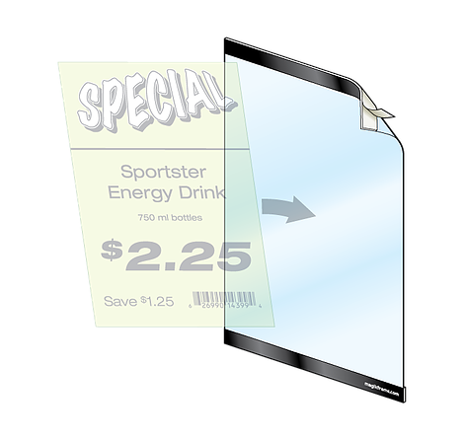
Order Number: | MCK-31664
Company: | Sandstone Langdon

Item Code | HW_MagicFrame
Description | Magic Frame |  | Qty | 4

# of Pages: |  | For SM/QM
Colours: |  | Coating:
Flat Size: |  | Layout Orientation:
Finish Size: |  | # of Up:
Stock: |  | Parent Sheet Size:
Finishing: |  | Out:
 |  | Press Sheet Size:
 |  | Finished:
 |  | Overs:
Accessory: |  | Gross:

Special Instructions

Press: | iGen5 | Number of Items in the order | 2 of 2 |  | Display image:
Order Date: | 2026-07-23 22:20:47 |  |  |  | 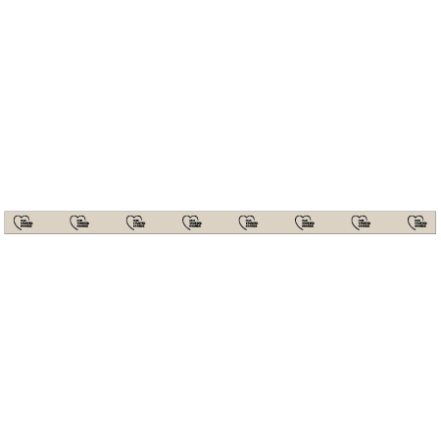
Order Number: | MCK-31664
Company: | Sandstone Langdon

Item Code | TBrands_DataStrip_EN
Description | Our Trusted Brands - Data Strips with Logo |  | Qty | 12

# of Pages: | 1 | For SM/QM
Colours: | 4/0 | Coating:
Flat Size: | 24" x 1.25" | Layout Orientation: | Sheetwork
Finish Size: | 24" x 1.25" | # of Up: | 8
Stock: | 18pt Gloss C2S Cover | Parent Sheet Size:
Finishing: | Trim | Out:
 |  | Press Sheet Size: | 26" x 13"
 |  | Finished:
 |  | Overs:
Accessory: |  | Gross:

Special Instructions

