Worksheet 1
Press: | Pick & Pack | Number of Items in the order | 1 of 1 |  | Display image:
Order Date: | 2026-07-22 17:32:29 |  |  |  | 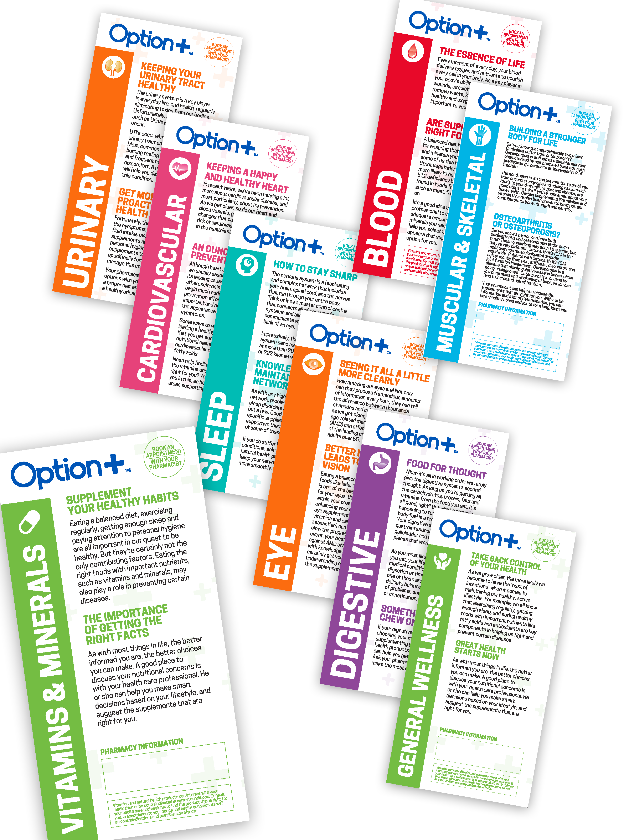
Order Number: | MCK-31663
Company: | Krausecare Pharmacy

Item Code | Option_Pamphlet_1Kit_EN(COB5)
Description | Option + Pamphlet Stater Kit (1 bundle of 15 of each of the 9 categories) |  | Qty | 1

# of Pages: |  | For SM/QM
Colours: | 4+4 | Coating:
Flat Size: | 4” x 8 | Layout Orientation:
Finish Size: | 12” x 8 | # of Up:
Stock: | 60lb Uncoated Text | Parent Sheet Size:
Finishing: | Trim to Final Size with or without Bifold or Trifold to Final Size, Elastic Bundle in 15s | Out:
 |  | Press Sheet Size:
 |  | Finished:
 |  | Overs:
Accessory: |  | Gross:

Special Instructions

