Worksheet 1
Press: | iGen5 | Number of Items in the order | 1 of 3 |  | Display image:
Order Date: | 2026-08-25 17:14:42 |  |  |  | 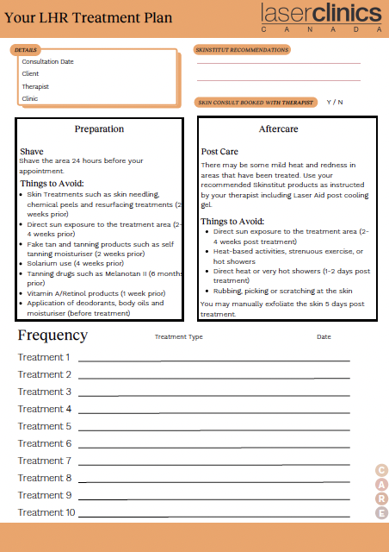
Order Number: | LCC-100185
Company: | Hillcrest Mall

Item Code | Care_LCX_CF_LHR_0630
Description | LHR Form |  | Qty | 100

# of Pages: | 2 | For SM/QM
Colours: | 4/4 (no bleed) | Coating:
Flat Size: | 8.5" x 11" | Layout Orientation:
Finish Size: | 8.5" x 11" | # of Up:
Stock: | 28lb Hammermill text paper | Parent Sheet Size:
Finishing: | Print set as Fit to Page | Out:
 |  | Press Sheet Size:
 |  | Finished:
 |  | Overs:
 |  | Gross:

Special Instructions

Press: | iGen5 | Number of Items in the order | 2 of 3 |  | Display image:
Order Date: | 2026-08-25 17:14:42 |  |  |  | 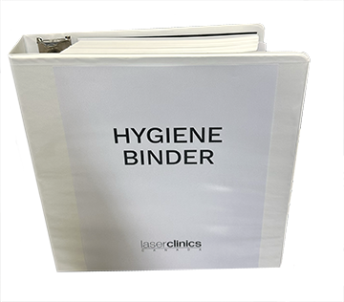
Order Number: | LCC-100185
Company: | Hillcrest Mall

Item Code | HygieneBinder
Description | Hygiene Binder |  | Qty | 1

# of Pages: | 367 | For SM/QM
Colours: | 4/4 | Coating:
Flat Size: | 8.5" x11" | Layout Orientation:
Finish Size: | 8.5" x11" | # of Up:
Stock: | 28lb Hammermill | Parent Sheet Size:
Finishing: | 3 Drill holes and insert into the Binder. Files included: Cover, Hygiene 365 Daily Tracker (365 copies same file), Insert white tab & System Cleaning Protocol. | Out:
 |  | Press Sheet Size:
 |  | Finished:
 |  | Overs:
 |  | Gross:

Special Instructions

Worksheet 2
Press: | iGen5 | Number of Items in the order | 3 of 3 |  | Display image:
Order Date: | 2026-08-25 17:14:42 |  |  |  | 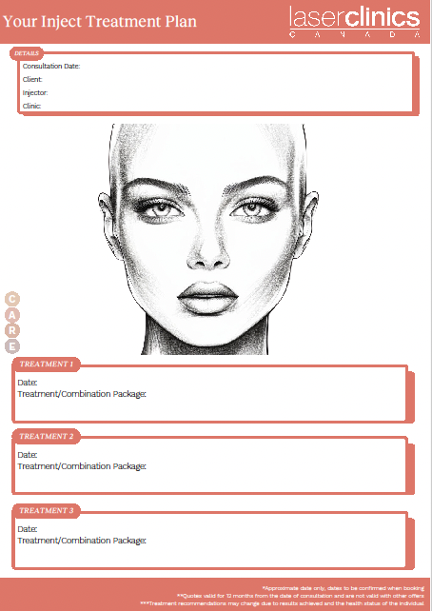
Order Number: | LCC-100185
Company: | Hillcrest Mall

Item Code | Care_LCX_CF_Inject_0630
Description | Inject Form |  | Qty | 100

# of Pages: | 2 | For SM/QM
Colours: | 4/4 (no bleed) | Coating:
Flat Size: | 8.5" x 11" | Layout Orientation:
Finish Size: | 8.5" x 11" | # of Up:
Stock: | 28lb Hammermill text paper | Parent Sheet Size:
Finishing: | Print set as Fit to Page | Out:
 |  | Press Sheet Size:
 |  | Finished:
 |  | Overs:
 |  | Gross:

Special Instructions

