Worksheet 1
Press: | iGen5 | Number of Items in the order | 1 of 4 |  | Display image:
Order Date: | 2026-08-20 14:56:27 |  |  |  | 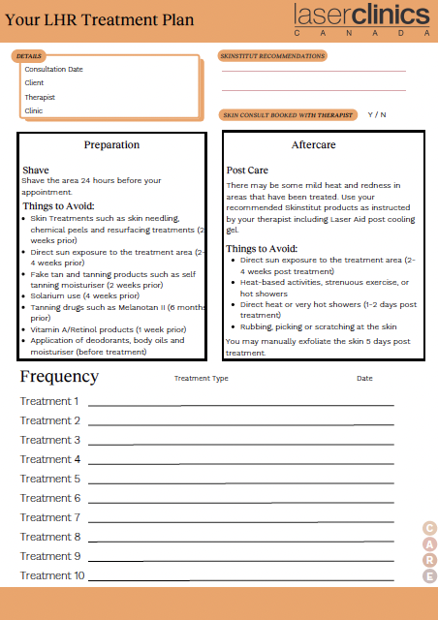
Order Number: | LCC-100184
Company: | Sherway Gardens

Item Code | Care_LCX_CF_LHR_0630
Description | LHR Form |  | Qty | 250

# of Pages: | 2 | For SM/QM
Colours: | 4/4 (no bleed) | Coating:
Flat Size: | 8.5" x 11" | Layout Orientation:
Finish Size: | 8.5" x 11" | # of Up:
Stock: | 28lb Hammermill text paper | Parent Sheet Size:
Finishing: | Print set as Fit to Page | Out:
 |  | Press Sheet Size:
 |  | Finished:
 |  | Overs:
 |  | Gross:

Special Instructions

Press: | Iridesse | Number of Items in the order | 2 of 4 |  | Display image:
Order Date: | 2026-08-20 14:56:27 |  |  |  | 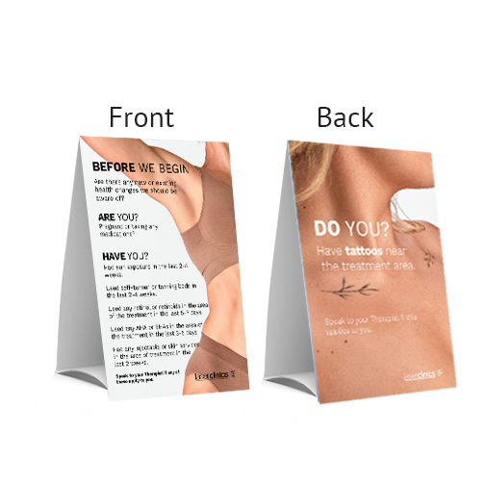
Order Number: | LCC-100184
Company: | Sherway Gardens

Item Code | HS_TentCard_0726
Description | H&S Tent Card |  | Qty | 2

# of Pages: | 12 | For SM/QM
Colours: | 4+0 | Coating:
Flat Size: | 5'' x 18" (2" + 7" + 7" + 2”) | Layout Orientation:
Finish Size: | 5" x 7" | # of Up:
Stock: | 130lb Gloss C2S Cover | Parent Sheet Size:
Finishing: | Router Score x 3, Cut Slits on Top and Bottom | Out:
 |  | Press Sheet Size:
 |  | Finished:
 |  | Overs:
 |  | Gross:

Special Instructions

Worksheet 2
Press: |  | Number of Items in the order | 3 of 4 |  | Display image:
Order Date: | 2026-08-20 14:56:27 |  |  |  | 
Order Number: | LCC-100184
Company: | Sherway Gardens

Item Code | Therapist_Onboarding_booklet_0304
Description | Therapist Onboarding booklet |  | Qty | 10

# of Pages: |  | For SM/QM
Colours: |  | Coating:
Flat Size: |  | Layout Orientation:
Finish Size: |  | # of Up:
Stock: |  | Parent Sheet Size:
Finishing: |  | Out:
 |  | Press Sheet Size:
 |  | Finished:
 |  | Overs:
 |  | Gross:

Special Instructions

Press: | null | Number of Items in the order | 4 of 4 |  | Display image:
Order Date: | 2026-08-20 14:56:27 |  |  |  | 
Order Number: | LCC-100184
Company: | Sherway Gardens

Item Code | 1000288
Description | Name Badge with Clear Protective Cover and Magnetic Backing (Nina) |  | Qty | 1

# of Pages: | 1 | For SM/QM
Colours: | 1/0 | Coating:
Flat Size: |  | Layout Orientation:
Finish Size: | 3" x 1" | # of Up: | 1
Stock: | Pre-Order stock | Parent Sheet Size:
Finishing: | Includes Plastic Cap | Out:
 |  | Press Sheet Size:
 |  | Finished:
 |  | Overs:
 |  | Gross:

Special Instructions

