Worksheet 1
Press: | iGen5 | Number of Items in the order | 1 of 3 |  | Display image:
Order Date: | 2026-08-14 22:53:30 |  |  |  | 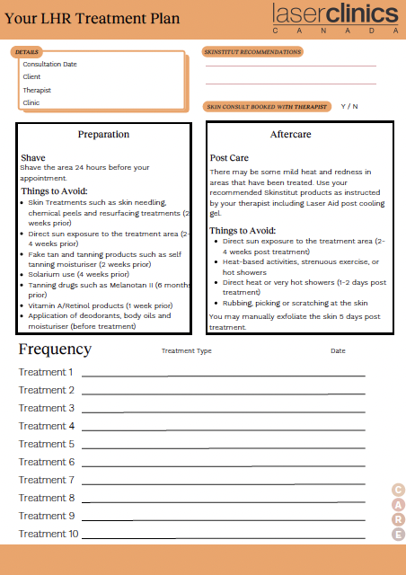
Order Number: | LCC-100183
Company: | Markville

Item Code | Care_LCX_CF_LHR_0630
Description | LHR Form |  | Qty | 250

# of Pages: | 2 | For SM/QM
Colours: | 4/4 (no bleed) | Coating:
Flat Size: | 8.5" x 11" | Layout Orientation:
Finish Size: | 8.5" x 11" | # of Up:
Stock: | 28lb Hammermill text paper | Parent Sheet Size:
Finishing: | Print set as Fit to Page | Out:
 |  | Press Sheet Size:
 |  | Finished:
 |  | Overs:
 |  | Gross:

Special Instructions

Press: | Iridesse | Number of Items in the order | 2 of 3 |  | Display image:
Order Date: | 2026-08-14 22:53:30 |  |  |  | 
Order Number: | LCC-100183
Company: | Markville

Item Code | ClientFacing_PriceList_0726_v2
Description | Client Facing Treatment Price List |  | Qty | 200

# of Pages: | 12 | For SM/QM
Colours: | 4/4 | Coating:
Flat Size: | 5.875" x 8.25" | Layout Orientation:
Finish Size: | 11.75" x 8.25" | # of Up:
Stock: | 130lb Gloss C2S card | Parent Sheet Size:
Finishing: | Score and fold | Out:
 |  | Press Sheet Size:
 |  | Finished:
 |  | Overs:
 |  | Gross:

Special Instructions

Worksheet 2
Press: | iGen4 | Number of Items in the order | 3 of 3 |  | Display image:
Order Date: | 2026-08-14 22:53:30 |  |  |  | 
Order Number: | LCC-100183
Company: | Markville

Item Code | AppCard_Refresh_1106
Description | Appointment Cards |  | Qty | 100

# of Pages: | 2 | For SM/QM
Colours: | 4/4 | Coating:
Flat Size: | 3.543" x 2.165" | Layout Orientation:
Finish Size: | 3.543" x 2.165" | # of Up:
Stock: | 130lb Gloss C1S card | Parent Sheet Size:
Finishing: | Trim to size | Out:
 |  | Press Sheet Size:
 |  | Finished:
 |  | Overs:
 |  | Gross:

Special Instructions

