Worksheet 1
Press: | iGen5 | Number of Items in the order | 1 of 1 |  | Display image:
Order Date: | 2026-08-13 21:48:57 |  |  |  | 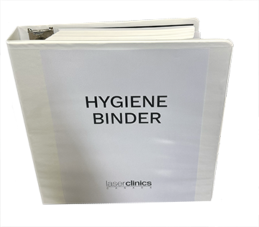
Order Number: | LCC-100182
Company: | Square One

Item Code | HygieneBinder
Description | Hygiene Binder |  | Qty | 1

# of Pages: | 367 | For SM/QM
Colours: | 4/4 | Coating:
Flat Size: | 8.5" x11" | Layout Orientation:
Finish Size: | 8.5" x11" | # of Up:
Stock: | 28lb Hammermill | Parent Sheet Size:
Finishing: | 3 Drill holes and insert into the Binder. Files included: Cover, Hygiene 365 Daily Tracker (365 copies same file), Insert white tab & System Cleaning Protocol. | Out:
 |  | Press Sheet Size:
 |  | Finished:
 |  | Overs:
 |  | Gross:

Special Instructions

