Worksheet 1
Press: | iGen5 | Number of Items in the order | 1 of 5 |  | Display image:
Order Date: | 2026-08-10 18:19:57 |  |  |  | 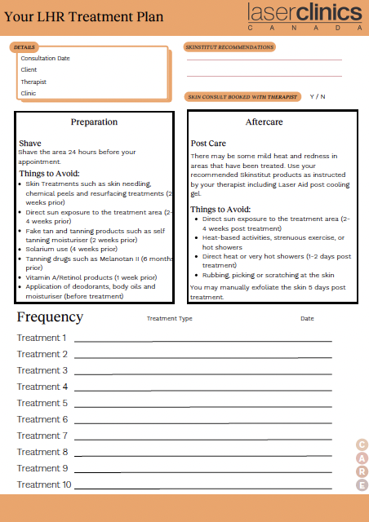
Order Number: | LCC-100181
Company: | Rideau Centre

Item Code | Care_LCX_CF_LHR_0630
Description | LHR Form |  | Qty | 250

# of Pages: | 2 | For SM/QM
Colours: | 4/4 (no bleed) | Coating:
Flat Size: | 8.5" x 11" | Layout Orientation:
Finish Size: | 8.5" x 11" | # of Up:
Stock: | 28lb Hammermill text paper | Parent Sheet Size:
Finishing: | Print set as Fit to Page | Out:
 |  | Press Sheet Size:
 |  | Finished:
 |  | Overs:
 |  | Gross:

Special Instructions

Press: | iGen5 | Number of Items in the order | 2 of 5 |  | Display image:
Order Date: | 2026-08-10 18:19:57 |  |  |  | 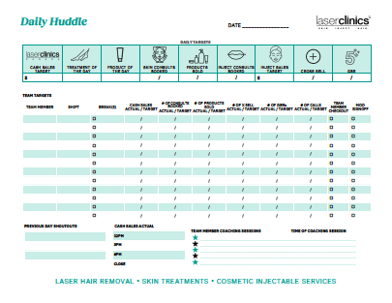
Order Number: | LCC-100181
Company: | Rideau Centre

Item Code | Daily _huddle_0818
Description | Daily Huddle |  | Qty | 100

# of Pages: | 1 | For SM/QM
Colours: | 4/0 (no bleed) | Coating:
Flat Size: | 8.5" x 11" | Layout Orientation:
Finish Size: | 8.5" x 11" | # of Up:
Stock: | 28lb Hammermill text paper | Parent Sheet Size:
Finishing: | Trim to size | Out:
 |  | Press Sheet Size:
 |  | Finished:
 |  | Overs:
 |  | Gross:

Special Instructions

Worksheet 2
Press: | iGen5 | Number of Items in the order | 3 of 5 |  | Display image:
Order Date: | 2026-08-10 18:19:57 |  |  |  | 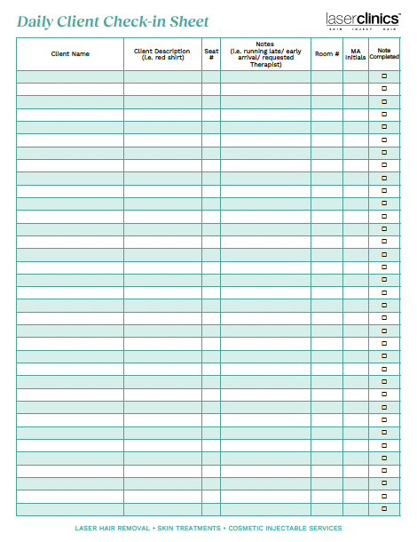
Order Number: | LCC-100181
Company: | Rideau Centre

Item Code | Daily_client_checkin_0819
Description | Daily Client Check-in Sheet |  | Qty | 100

# of Pages: | 2 | For SM/QM
Colours: | 4/4 (no bleed) | Coating:
Flat Size: | 8.5" x 11" | Layout Orientation:
Finish Size: | 8.5" x 11" | # of Up:
Stock: | 28lb Hammermill text paper | Parent Sheet Size:
Finishing: | Print set as Fit to Page | Out:
 |  | Press Sheet Size:
 |  | Finished:
 |  | Overs:
 |  | Gross:

Special Instructions

Press: | iGen5 | Number of Items in the order | 4 of 5 |  | Display image:
Order Date: | 2026-08-10 18:19:57 |  |  |  | 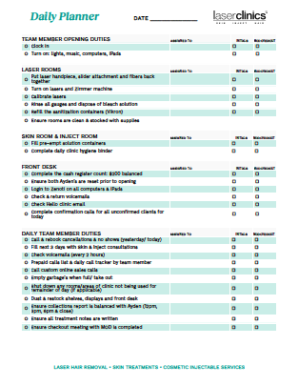
Order Number: | LCC-100181
Company: | Rideau Centre

Item Code | Daily_planner_0818
Description | Daily Planner |  | Qty | 100

# of Pages: | 2 | For SM/QM
Colours: | 4/4 (no bleed) | Coating:
Flat Size: | 8.5" x 11" | Layout Orientation:
Finish Size: | 8.5" x 11" | # of Up:
Stock: | 28lb Hammermill text paper | Parent Sheet Size:
Finishing: | Print set as Fit to Page | Out:
 |  | Press Sheet Size:
 |  | Finished:
 |  | Overs:
 |  | Gross:

Special Instructions

Worksheet 3
Press: | Iridesse | Number of Items in the order | 5 of 5 |  | Display image:
Order Date: | 2026-08-10 18:19:57 |  |  |  | 
Order Number: | LCC-100181
Company: | Rideau Centre

Item Code | Clinic_Injector_Flyer_Sergio_0726
Description | Clinic Injector Flyer - Sergio |  | Qty | 100

# of Pages: | 2 | For SM/QM
Colours: | 4/4 | Coating:
Flat Size: | 3.5" x 8.5" | Layout Orientation:
Finish Size: | 3.5" x 8.5" | # of Up:
Stock: | 130lb Gloss C2S card | Parent Sheet Size:
Finishing: | Trim to size | Out:
 |  | Press Sheet Size:
 |  | Finished:
 |  | Overs:
 |  | Gross:

Special Instructions

