Worksheet 1
Press: | Epson | Number of Items in the order | 1 of 8 |  | Display image:
Order Date: | 2026-08-05 14:32:51
Order Number: | LCC-100178
Company: | Scarborough Town Centre

Item Code | Gen_NameBadge_0525
Description | Generic Therapist Name Badge with Clear Protective Cover and Magnetic Backing |  | Qty | 5

# of Pages: | 1 | For SM/QM
Colours: | 1/0 | Coating:
Flat Size: | 3" x 1" | Layout Orientation:
Finish Size: | 3" x 1" | # of Up:
Stock: |  | Parent Sheet Size:
Finishing: |  | Out:
 |  | Press Sheet Size:
 |  | Finished:
 |  | Overs:
 |  | Gross:

Special Instructions

Press: | null | Number of Items in the order | 2 of 8 |  | Display image:
Order Date: | 2026-08-05 14:32:51 |  |  |  | 
Order Number: | LCC-100178
Company: | Scarborough Town Centre

Item Code | 1000285
Description | Name Badge with Clear Protective Cover and Magnetic Backing (Casandra ) |  | Qty | 1

# of Pages: | 1 | For SM/QM
Colours: | 1/0 | Coating:
Flat Size: |  | Layout Orientation:
Finish Size: | 3" x 1" | # of Up: | 1
Stock: | Pre-Order stock | Parent Sheet Size:
Finishing: | Includes Plastic Cap | Out:
 |  | Press Sheet Size:
 |  | Finished:
 |  | Overs:
 |  | Gross:

Special Instructions

Worksheet 2
Press: | iGen5 | Number of Items in the order | 3 of 8 |  | Display image:
Order Date: | 2026-08-05 14:32:51 |  |  |  | 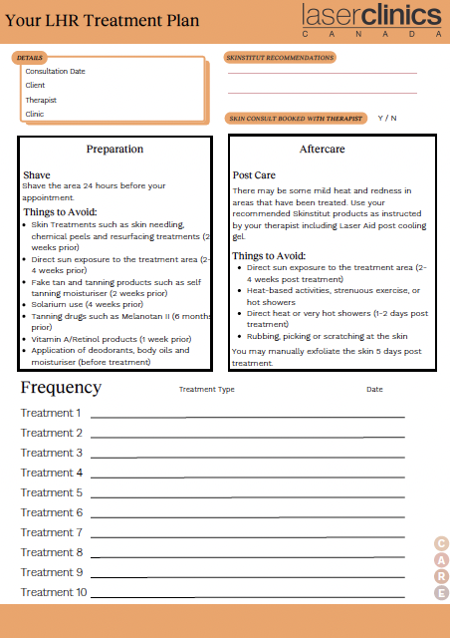
Order Number: | LCC-100178
Company: | Scarborough Town Centre

Item Code | Care_LCX_CF_LHR_0630
Description | LHR Form |  | Qty | 250

# of Pages: | 2 | For SM/QM
Colours: | 4/4 (no bleed) | Coating:
Flat Size: | 8.5" x 11" | Layout Orientation:
Finish Size: | 8.5" x 11" | # of Up:
Stock: | 28lb Hammermill text paper | Parent Sheet Size:
Finishing: | Print set as Fit to Page | Out:
 |  | Press Sheet Size:
 |  | Finished:
 |  | Overs:
 |  | Gross:

Special Instructions

Press: | iGen4 | Number of Items in the order | 4 of 8 |  | Display image:
Order Date: | 2026-08-05 14:32:51 |  |  |  | 
Order Number: | LCC-100178
Company: | Scarborough Town Centre

Item Code | AppCard_Refresh_1106
Description | Appointment Cards |  | Qty | 250

# of Pages: | 2 | For SM/QM
Colours: | 4/4 | Coating:
Flat Size: | 3.543" x 2.165" | Layout Orientation:
Finish Size: | 3.543" x 2.165" | # of Up:
Stock: | 130lb Gloss C1S card | Parent Sheet Size:
Finishing: | Trim to size | Out:
 |  | Press Sheet Size:
 |  | Finished:
 |  | Overs:
 |  | Gross:

Special Instructions

Worksheet 3
Press: | iGen4 | Number of Items in the order | 5 of 8 |  | Display image:
Order Date: | 2026-08-05 14:32:51 |  |  |  | 
Order Number: | LCC-100178
Company: | Scarborough Town Centre

Item Code | 1000286
Description | Injector Business Card |  | Qty | 100

# of Pages: | 2 | For SM/QM
Colours: | 4 +4 | Coating:
Flat Size: | 3.5" x 2" | Layout Orientation:
Finish Size: | 3.5" x 2" | # of Up:
Stock: | 130lb Gloss C2S | Parent Sheet Size:
Finishing: |  | Out:
 |  | Press Sheet Size:
 |  | Finished:
 |  | Overs:
 |  | Gross:

Special Instructions

Press: | iGen4 | Number of Items in the order | 6 of 8 |  | Display image:
Order Date: | 2026-08-05 14:32:51 |  |  |  | 
Order Number: | LCC-100178
Company: | Scarborough Town Centre

Item Code | 1000287
Description | Injector Business Card |  | Qty | 100

# of Pages: | 2 | For SM/QM
Colours: | 4 +4 | Coating:
Flat Size: | 3.5" x 2" | Layout Orientation:
Finish Size: | 3.5" x 2" | # of Up:
Stock: | 130lb Gloss C2S | Parent Sheet Size:
Finishing: |  | Out:
 |  | Press Sheet Size:
 |  | Finished:
 |  | Overs:
 |  | Gross:

Special Instructions

Worksheet 4
Press: | Iridesse | Number of Items in the order | 7 of 8 |  | Display image:
Order Date: | 2026-08-05 14:32:51 |  |  |  | 
Order Number: | LCC-100178
Company: | Scarborough Town Centre

Item Code | PRP_Flyer_0526
Description | PRP Flyer |  | Qty | 250

# of Pages: | 2 | For SM/QM
Colours: | 4/4 | Coating:
Flat Size: | 3.5" x 8.5" | Layout Orientation:
Finish Size: | 3.5" x 8.5" | # of Up:
Stock: | 130lb Gloss C2S card | Parent Sheet Size:
Finishing: | Trim to size | Out:
 |  | Press Sheet Size:
 |  | Finished:
 |  | Overs:
 |  | Gross:

Special Instructions

Press: | Iridesse | Number of Items in the order | 8 of 8 |  | Display image:
Order Date: | 2026-08-05 14:32:51 |  |  |  | 
Order Number: | LCC-100178
Company: | Scarborough Town Centre

Item Code | CA PC13 Exo Booster flyer_0630
Description | CA PC13 Exo Booster flyer |  | Qty | 100

# of Pages: | 2 | For SM/QM
Colours: | 4 + 4 | Coating:
Flat Size: | 3.9" x 8.3" | Layout Orientation:
Finish Size: | 3.9" x 8.3" | # of Up:
Stock: | 130lb Gloss C2S card | Parent Sheet Size:
Finishing: | Trim to Final Size | Out:
 |  | Press Sheet Size:
 |  | Finished:
 |  | Overs:
 |  | Gross:

Special Instructions

