Worksheet 1
Press: |  | Number of Items in the order | 1 of 21 |  | Display image:
Order Date: | 2026-08-26 21:12:56 |  |  |  | 
Order Number: | GTE-12935
Company: | Glentel Inc.

Item Code | SF-HR-14Apr22-EN
Description | Campaign Snap Frame 19.75" x 28.876" EN |  | Qty | 2

# of Pages: |  | For SM/QM
Colours: |  | Coating:
Flat Size: |  | Layout Orientation:
Finish Size: |  | # of Up:
Stock: |  | Parent Sheet Size:
Finishing: |  | Out:
 |  | Press Sheet Size:
 |  | Finished:
 |  | Overs:
 |  | Gross:

Special Instructions

Press: |  | Number of Items in the order | 2 of 21 |  | Display image:
Order Date: | 2026-08-26 21:12:56 |  |  |  | 
Order Number: | GTE-12935
Company: | Glentel Inc.

Item Code | SF-MemBen-14Aug24-EN
Description | Member Benefits 19.75" x 28.876" EN |  | Qty | 2

# of Pages: |  | For SM/QM
Colours: |  | Coating:
Flat Size: |  | Layout Orientation:
Finish Size: |  | # of Up:
Stock: |  | Parent Sheet Size:
Finishing: |  | Out:
 |  | Press Sheet Size:
 |  | Finished:
 |  | Overs:
 |  | Gross:

Special Instructions

Worksheet 2
Press: |  | Number of Items in the order | 3 of 21 |  | Display image:
Order Date: | 2026-08-26 21:12:56 |  |  |  | 
Order Number: | GTE-12935
Company: | Glentel Inc.

Item Code | SF-iPhone17e-27Mar26-UN
Description | iPhone 17e Snap Frame 19.75" x 28.876" UN |  | Qty | 2

# of Pages: |  | For SM/QM
Colours: |  | Coating:
Flat Size: |  | Layout Orientation:
Finish Size: |  | # of Up:
Stock: |  | Parent Sheet Size:
Finishing: |  | Out:
 |  | Press Sheet Size:
 |  | Finished:
 |  | Overs:
 |  | Gross:

Special Instructions

Press: |  | Number of Items in the order | 4 of 21 |  | Display image:
Order Date: | 2026-08-26 21:12:56 |  |  |  | 
Order Number: | GTE-12935
Company: | Glentel Inc.

Item Code | SF-Miracle-27Feb26-UN
Description | Samsung Miracle Snap Frame 19.75" x 28.876" UN |  | Qty | 2

# of Pages: |  | For SM/QM
Colours: |  | Coating:
Flat Size: |  | Layout Orientation:
Finish Size: |  | # of Up:
Stock: |  | Parent Sheet Size:
Finishing: |  | Out:
 |  | Press Sheet Size:
 |  | Finished:
 |  | Overs:
 |  | Gross:

Special Instructions

Worksheet 3
Press: |  | Number of Items in the order | 5 of 21 |  | Display image:
Order Date: | 2026-08-26 21:12:56 |  |  |  | 
Order Number: | GTE-12935
Company: | Glentel Inc.

Item Code | SF-Fold8-20Aug26-EN
Description | Samsung Fold8 Snap Frame 19.75" x 28.876" EN |  | Qty | 2

# of Pages: |  | For SM/QM
Colours: |  | Coating:
Flat Size: |  | Layout Orientation:
Finish Size: |  | # of Up:
Stock: |  | Parent Sheet Size:
Finishing: |  | Out:
 |  | Press Sheet Size:
 |  | Finished:
 |  | Overs:
 |  | Gross:

Special Instructions

Press: |  | Number of Items in the order | 6 of 21 |  | Display image:
Order Date: | 2026-08-26 21:12:56 |  |  |  | 
Order Number: | GTE-12935
Company: | Glentel Inc.

Item Code | SF-Google-P11-20Aug26-EN
Description | Google Pixel 11 Snap Frame 19.75" x 28.876" EN |  | Qty | 2

# of Pages: |  | For SM/QM
Colours: |  | Coating:
Flat Size: |  | Layout Orientation:
Finish Size: |  | # of Up:
Stock: |  | Parent Sheet Size:
Finishing: |  | Out:
 |  | Press Sheet Size:
 |  | Finished:
 |  | Overs:
 |  | Gross:

Special Instructions

Worksheet 4
Press: |  | Number of Items in the order | 7 of 21 |  | Display image:
Order Date: | 2026-08-26 21:12:56 |  |  |  | 
Order Number: | GTE-12935
Company: | Glentel Inc.

Item Code | SF-Tradein-17Apr26-EN
Description | Trade-in Snap Frame 19.75" x 28.876" EN |  | Qty | 2

# of Pages: |  | For SM/QM
Colours: |  | Coating:
Flat Size: |  | Layout Orientation:
Finish Size: |  | # of Up:
Stock: |  | Parent Sheet Size:
Finishing: |  | Out:
 |  | Press Sheet Size:
 |  | Finished:
 |  | Overs:
 |  | Gross:

Special Instructions

Press: |  | Number of Items in the order | 8 of 21 |  | Display image:
Order Date: | 2026-08-26 21:12:56 |  |  |  | 
Order Number: | GTE-12935
Company: | Glentel Inc.

Item Code | SF-SMB-17may23-EN
Description | Campaign Snap Frame 19.75" x 28.876" EN |  | Qty | 2

# of Pages: |  | For SM/QM
Colours: |  | Coating:
Flat Size: |  | Layout Orientation:
Finish Size: |  | # of Up:
Stock: |  | Parent Sheet Size:
Finishing: |  | Out:
 |  | Press Sheet Size:
 |  | Finished:
 |  | Overs:
 |  | Gross:

Special Instructions

Worksheet 5
Press: |  | Number of Items in the order | 9 of 21 |  | Display image:
Order Date: | 2026-08-26 21:12:56 |  |  |  | 
Order Number: | GTE-12935
Company: | Glentel Inc.

Item Code | SF-SMB -Bill Analysis-24mar25-EN
Description | Bill Analysis (SMB) Snap Frame 19.75" x 28.876" EN |  | Qty | 2

# of Pages: |  | For SM/QM
Colours: |  | Coating:
Flat Size: |  | Layout Orientation:
Finish Size: |  | # of Up:
Stock: |  | Parent Sheet Size:
Finishing: |  | Out:
 |  | Press Sheet Size:
 |  | Finished:
 |  | Overs:
 |  | Gross:

Special Instructions

Press: |  | Number of Items in the order | 10 of 21 |  | Display image:
Order Date: | 2026-08-26 21:12:56 |  |  |  | 
Order Number: | GTE-12935
Company: | Glentel Inc.

Item Code | SF-eBlast-5Sep25-EN
Description | eBlast CSC Snap Frame + Velcro Base 19.75" x 28.876" EN |  | Qty | 2

# of Pages: |  | For SM/QM
Colours: |  | Coating:
Flat Size: |  | Layout Orientation:
Finish Size: |  | # of Up:
Stock: |  | Parent Sheet Size:
Finishing: |  | Out:
 |  | Press Sheet Size:
 |  | Finished:
 |  | Overs:
 |  | Gross:

Special Instructions

Worksheet 6
Press: |  | Number of Items in the order | 11 of 21 |  | Display image:
Order Date: | 2026-08-26 21:12:56 |  |  |  | 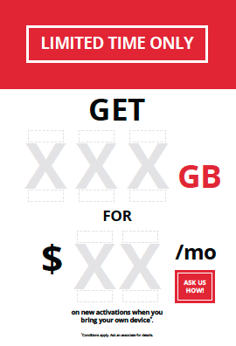
Order Number: | GTE-12935
Company: | Glentel Inc.

Item Code | SF-BYOD-eBlast-26Sep25-EN
Description | BYOD (eBlast) Snap Frame + Velcro Base 19.75" x 28.876" EN |  | Qty | 2

# of Pages: |  | For SM/QM
Colours: |  | Coating:
Flat Size: |  | Layout Orientation:
Finish Size: |  | # of Up:
Stock: |  | Parent Sheet Size:
Finishing: |  | Out:
 |  | Press Sheet Size:
 |  | Finished:
 |  | Overs:
 |  | Gross:

Special Instructions

Press: |  | Number of Items in the order | 12 of 21 |  | Display image:
Order Date: | 2026-08-26 21:12:56 |  |  |  | 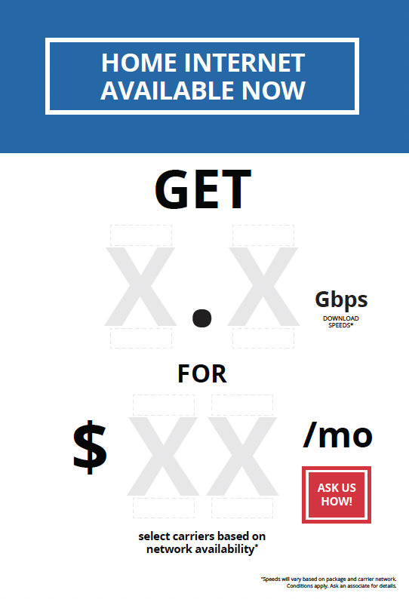
Order Number: | GTE-12935
Company: | Glentel Inc.

Item Code | SF-GenericINT-GB-15Aug24-EN
Description | Generic Internet (GB) Snapframe + Velcro Base 19.75" x 28.876" EN |  | Qty | 2

# of Pages: |  | For SM/QM
Colours: |  | Coating:
Flat Size: |  | Layout Orientation:
Finish Size: |  | # of Up:
Stock: |  | Parent Sheet Size:
Finishing: |  | Out:
 |  | Press Sheet Size:
 |  | Finished:
 |  | Overs:
 |  | Gross:

Special Instructions

Worksheet 7
Press: |  | Number of Items in the order | 13 of 21 |  | Display image:
Order Date: | 2026-08-26 21:12:56 |  |  |  | 
Order Number: | GTE-12935
Company: | Glentel Inc.

Item Code | SF-GenericINT-MB-15Aug24-EN
Description | Generic Internet (MB) Snapframe + Velcro Base 19.75" x 28.876" EN |  | Qty | 2

# of Pages: |  | For SM/QM
Colours: |  | Coating:
Flat Size: |  | Layout Orientation:
Finish Size: |  | # of Up:
Stock: |  | Parent Sheet Size:
Finishing: |  | Out:
 |  | Press Sheet Size:
 |  | Finished:
 |  | Overs:
 |  | Gross:

Special Instructions

Press: |  | Number of Items in the order | 14 of 21 |  | Display image:
Order Date: | 2026-08-26 21:12:56 |  |  |  | 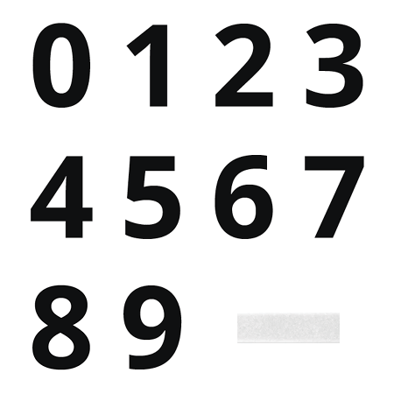
Order Number: | GTE-12935
Company: | Glentel Inc.

Item Code | NSODC-0to9_F_Velcro-8Apr22-UN
Description | NSO - Digit Cards Full Kit (Digital Kit) + Female Velcro (#0-9) - UN |  | Qty | 4

# of Pages: |  | For SM/QM
Colours: |  | Coating:
Flat Size: |  | Layout Orientation:
Finish Size: |  | # of Up:
Stock: |  | Parent Sheet Size:
Finishing: |  | Out:
 |  | Press Sheet Size:
 |  | Finished:
 |  | Overs:
 |  | Gross:

Special Instructions

Worksheet 8
Press: |  | Number of Items in the order | 15 of 21 |  | Display image:
Order Date: | 2026-08-26 21:12:56 |  |  |  | 
Order Number: | GTE-12935
Company: | Glentel Inc.

Item Code | MP-ResiBackroom-4Jul22-EN
Description | Residential Backroom Mini Poster 8.5" x 11" 10pt C2S EN |  | Qty | 1

# of Pages: |  | For SM/QM
Colours: |  | Coating:
Flat Size: |  | Layout Orientation:
Finish Size: |  | # of Up:
Stock: |  | Parent Sheet Size:
Finishing: |  | Out:
 |  | Press Sheet Size:
 |  | Finished:
 |  | Overs:
 |  | Gross:

Special Instructions

Press: |  | Number of Items in the order | 16 of 21 |  | Display image:
Order Date: | 2026-08-26 21:12:56 |  |  |  | 
Order Number: | GTE-12935
Company: | Glentel Inc.

Item Code | MP-ROGResiON-8P-9Jul26-EN
Description | Rogers Resi ON 8P Mini Poster 8.5" x 11" EN |  | Qty | 1

# of Pages: |  | For SM/QM
Colours: |  | Coating:
Flat Size: |  | Layout Orientation:
Finish Size: |  | # of Up:
Stock: |  | Parent Sheet Size:
Finishing: |  | Out:
 |  | Press Sheet Size:
 |  | Finished:
 |  | Overs:
 |  | Gross:

Special Instructions

Worksheet 9
Press: | Canon | Number of Items in the order | 17 of 21 |  | Display image:
Order Date: | 2026-08-26 21:12:56 |  |  |  | 
Order Number: | GTE-12935
Company: | Glentel Inc.

Item Code | WETC-POD-GoogleReview-Placemat-BASE-22Nov23-UN
Description | Google Review Placemat BASE 0/0 5" x 3" UN |  | Qty | 4

# of Pages: | 0 | For SM/QM
Colours: | 0/0 | Coating:
Flat Size: | 5" x 3" | Layout Orientation:
Finish Size: | 5" x 3" | # of Up:
Stock: | 15mil Magnet | Parent Sheet Size:
Finishing: | No Printing. Trim to Final Size, Apply Low Tack D-Tape Around the Perimeter on the white side | Out:
 |  | Press Sheet Size:
 |  | Finished:
 |  | Overs:
 |  | Gross:

Special Instructions

Press: | HP | Number of Items in the order | 18 of 21 |  | Display image:
Order Date: | 2026-08-26 21:12:56 |  |  |  | 
Order Number: | GTE-12935
Company: | Glentel Inc.

Item Code | WETC-POD-GoogleReview-Placemat-TOP-22Nov23-EN
Description | Google Review Placemat TOP 4/0 6" x 4" EN |  | Qty | 4

# of Pages: | 1 | For SM/QM
Colours: | 4/0 | Coating:
Flat Size: | 6" x 4" | Layout Orientation:
Finish Size: | 6" x 4" | # of Up:
Stock: | 15mil Magnet | Parent Sheet Size:
Finishing: | Matte Lamination 1 Side, Trim to Final Size | Out:
 |  | Press Sheet Size:
 |  | Finished:
 |  | Overs:
 |  | Gross:

Special Instructions

Worksheet 10
Press: | Canon | Number of Items in the order | 19 of 21 |  | Display image:
Order Date: | 2026-08-26 21:12:56 |  |  |  | 
Order Number: | GTE-12935
Company: | Glentel Inc.

Item Code | WETC-Queue-8PMag-Backer-11x22-8Aug24-EN
Description | Queue Backer (8P Magnetic) 11" x 22" EN |  | Qty | 2

# of Pages: |  | For SM/QM
Colours: | 4/4 | Coating:
Flat Size: | 11" x 22" | Layout Orientation:
Finish Size: | 11" x 22" | # of Up:
Stock: | 3mm Sintra | Parent Sheet Size:
Finishing: | Trim to Final Size. Apply 5 x 7 clear pouch mounted to blank area on poster (1 on front and 1 on back). Apply Three Magnetic Strips on the Back | Out:
 |  | Press Sheet Size:
 |  | Finished:
 |  | Overs:
 |  | Gross:

Special Instructions

Press: |  | Number of Items in the order | 20 of 21 |  | Display image:
Order Date: | 2026-08-26 21:12:56 |  |  |  | 
Order Number: | GTE-12935
Company: | Glentel Inc.

Item Code | WETC-Queue-ApptCard-15Sep25-EN
Description | Queue Mgmt Appt Card 5" x 7" EN |  | Qty | 4

# of Pages: |  | For SM/QM
Colours: |  | Coating:
Flat Size: |  | Layout Orientation:
Finish Size: |  | # of Up:
Stock: |  | Parent Sheet Size:
Finishing: |  | Out:
 |  | Press Sheet Size:
 |  | Finished:
 |  | Overs:
 |  | Gross:

Special Instructions

Worksheet 11
Press: |  | Number of Items in the order | 21 of 21 |  | Display image:
Order Date: | 2026-08-26 21:12:56 |  |  |  | 
Order Number: | GTE-12935
Company: | Glentel Inc.

Item Code | WETC-Deterrent Sign-4_25x5_5-26Jul23-EN
Description | Deterrent Signs 4.25" x 5.5" EN |  | Qty | 2

# of Pages: |  | For SM/QM
Colours: |  | Coating:
Flat Size: |  | Layout Orientation:
Finish Size: |  | # of Up:
Stock: |  | Parent Sheet Size:
Finishing: |  | Out:
 |  | Press Sheet Size:
 |  | Finished:
 |  | Overs:
 |  | Gross:

Special Instructions

