Worksheet 1
Press: |  | Number of Items in the order | 1 of 1 |  | Display image:
Order Date: | 2026-08-19 22:15:56 |  |  |  | 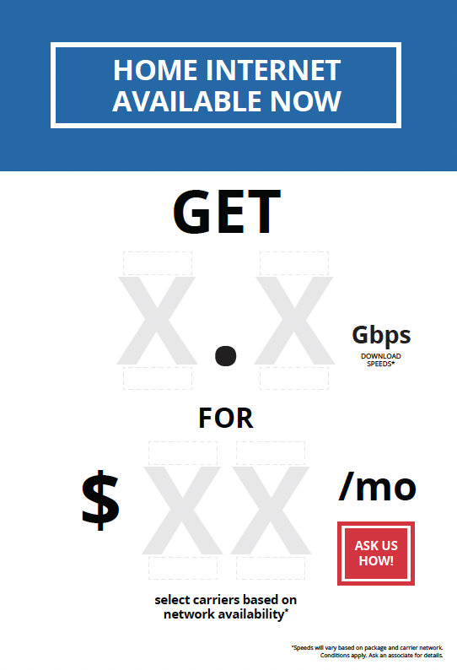
Order Number: | GTE-12933
Company: | London North

Item Code | SF-GenericINT-GB-15Aug24-EN
Description | Generic Internet (GB) Snapframe + Velcro Base 19.75" x 28.876" EN |  | Qty | 1

# of Pages: |  | For SM/QM
Colours: |  | Coating:
Flat Size: |  | Layout Orientation:
Finish Size: |  | # of Up:
Stock: |  | Parent Sheet Size:
Finishing: |  | Out:
 |  | Press Sheet Size:
 |  | Finished:
 |  | Overs:
 |  | Gross:

Special Instructions

