Worksheet 1
Press: |  | Number of Items in the order | 1 of 1 |  | Display image:
Order Date: | 2026-08-17 21:14:09 |  |  |  | 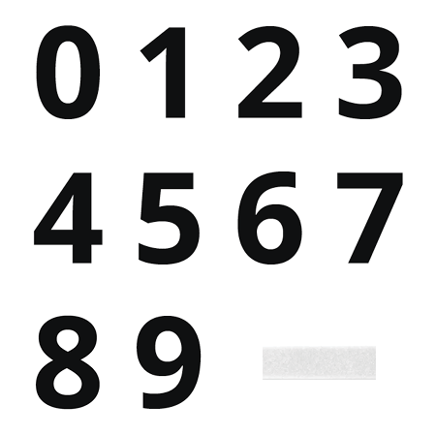
Order Number: | GTE-12931
Company: | Anjou

Item Code | DC-0to9_F_Velcro-8Apr22-UN
Description | Digit Cards Full Kit (Digital Kit) + Female Velcro (#0-9) - UN |  | Qty | 1

# of Pages: |  | For SM/QM
Colours: |  | Coating:
Flat Size: |  | Layout Orientation:
Finish Size: |  | # of Up:
Stock: |  | Parent Sheet Size:
Finishing: |  | Out:
 |  | Press Sheet Size:
 |  | Finished:
 |  | Overs:
 |  | Gross:

Special Instructions

