Worksheet 1
Press: |  | Number of Items in the order | 1 of 3 |  | Display image:
Order Date: | 2026-08-10 16:10:51 |  |  |  | 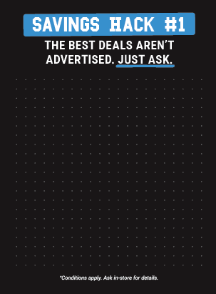
Order Number: | GTE-12929
Company: | Northgate Shopping Centre

Item Code | WW-LLS_TOP-WB-7Aug26-BTS-EN
Description | LLS [Top - WB] 22" x 30" EN |  | Qty | 2

# of Pages: |  | For SM/QM
Colours: |  | Coating:
Flat Size: |  | Layout Orientation:
Finish Size: |  | # of Up:
Stock: |  | Parent Sheet Size:
Finishing: |  | Out:
 |  | Press Sheet Size:
 |  | Finished:
 |  | Overs:
 |  | Gross:

Special Instructions

Press: |  | Number of Items in the order | 2 of 3 |  | Display image:
Order Date: | 2026-08-10 16:10:51 |  |  |  | 
Order Number: | GTE-12929
Company: | Northgate Shopping Centre

Item Code | WW-LLS-Base-7Aug26-BTS-UN
Description | LLS [Base] 22" x 24" UN |  | Qty | 2

# of Pages: |  | For SM/QM
Colours: |  | Coating:
Flat Size: |  | Layout Orientation:
Finish Size: |  | # of Up:
Stock: |  | Parent Sheet Size:
Finishing: |  | Out:
 |  | Press Sheet Size:
 |  | Finished:
 |  | Overs:
 |  | Gross:

Special Instructions

Worksheet 2
Press: |  | Number of Items in the order | 3 of 3 |  | Display image:
Order Date: | 2026-08-10 16:10:51 |  |  |  | 
Order Number: | GTE-12929
Company: | Northgate Shopping Centre

Item Code | WW-LLS_TOPPER-7Aug26-BTS-EN
Description | LLS Topper 22" x 11.25" EN |  | Qty | 1

# of Pages: |  | For SM/QM
Colours: |  | Coating:
Flat Size: |  | Layout Orientation:
Finish Size: |  | # of Up:
Stock: |  | Parent Sheet Size:
Finishing: |  | Out:
 |  | Press Sheet Size:
 |  | Finished:
 |  | Overs:
 |  | Gross:

Special Instructions

